Uprise Art
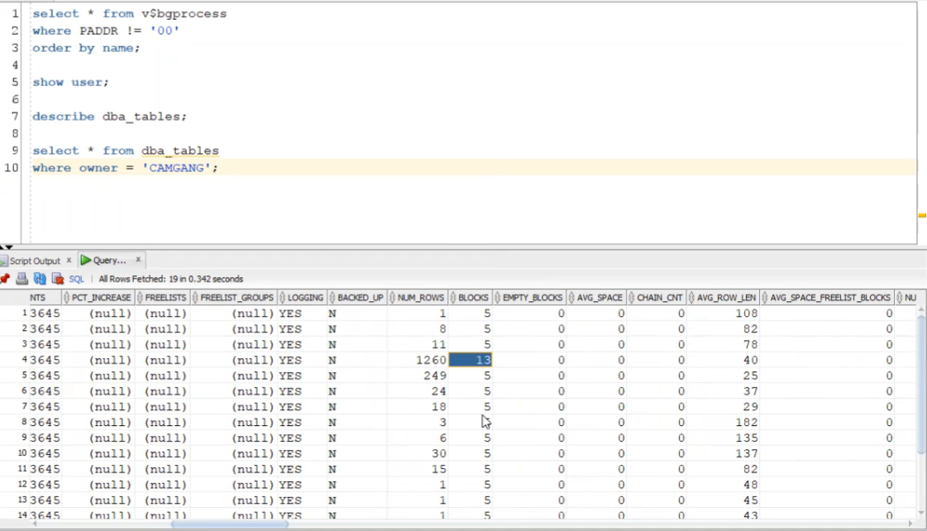
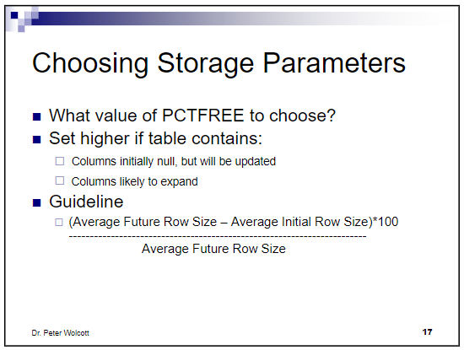
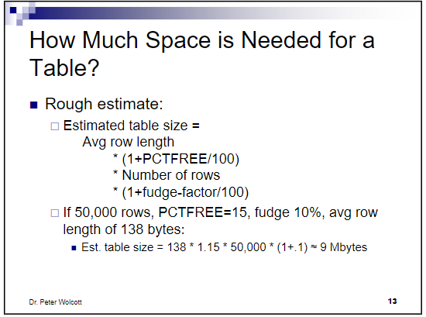
Table | initial row size (AVG_ROW_LEN) | Expansion | PCTFREE (calculated) | PCTFREE (value used) | Amount of current information (number of rows) | Growth per year (number of rows) | Growth per half year (number of rows) | fudge factor | Est. Table size (bytes) | Est. table size (KB) | Est. 1/2 yr. growth (bytes) | Est. 1/2 year growth (KB) | INITIAL EXTENT SIZE ( KB) | NEXT extent size (KB) | NEXT extent size (MB)
BC_ACCOUNT | 94 |  | 10 |  | 8,000,000 | 1,000,000 | 500,000 |  | 827,200,000 | 807,813 |  | - |  |  | 0
BC_BICYCLE | 78 |  | 10 |  | 162,000 | 2,500 | 1,250 |  | 13,899,600 | 13,574 |  | - |  |  | 0
BC_BICYCLE_STATUS | 40 |  | 10 |  | 640,000,000 | 464,000,000 | 232,000,000 |  | 28,160,000,000 | 27,500,000 |  | - |  |  | 0
BC_COUNTRY | 25 |  | 10 |  |  |  | - |  | - | 0 |  | - |  |  | 0
BC_DOCK | 37 |  | 10 |  | 259,200 | 4,000 | 2,000 |  | 10,549,440 | 10,302 |  | - |  |  | 0
BC_MEMBERSHIP | 29 |  | 10 |  | 16,000,000 | 2,000,000 | 1,000,000 |  | 510,400,000 | 498,438 |  | - |  |  | 0
BC_PASS | 180 |  | 10 |  | 97,200 | 30 | 15 |  | 19,245,600 | 18,795 |  | - |  |  | 0
BC_PROGRAM | 135 |  | 10 |  | 648 | 10 | 5 |  | 96,228 | 94 |  | - |  |  | 0
BC_STATION | 138 |  | 10 |  | 32,400 | 500 | 250 |  | 4,918,320 | 4,803 |  | - |  |  | 0
BC_TRIP | 77 |  | 10 |  | 160,000,000 | 116,000,000 | 58,000,000 |  | 13,552,000,000 | 13,234,375 |  | - |  |  | 0

Tablespace name | NEXT EXTENT size | Tables to place in this tablespace

 |  |  |  |  |  |  |  |  |  |  |  | =

